Advanced Module
BioWATT (Biogas Wastewater Assessment Technology Tool) |  |  | v1.0 (19 Jan 2016)

Project: | (Name of WWTP) |  |  | Double click to access
Date: | (Date)

GENERAL DATA | Value | Unit | Comment
WASTEWATER ENTERING WWTP
Average hydraulic load | 40,000 | m³/d
Average inflow BOD5 concentration | 120 | mg/L
Average TSS/ BOD5 concentration | 1.00 | --- | Typical: 1.00 (0.8-1.2)
Average inflow TSS concentration | 120 | mg/L | Typical: same value as for BOD5 concentration
Average VSS/TSS concentration | 0.75 | --- | Typical: VSS/TSS = 0.75 (0.6-0.85); in case of dominant number of septic tanks in the catchment it may go down to 0.2-0.3
Average inflow VSS concentration | 90 | mg/L
Local capita-specific BOD5 production | 50 | gBOD5/cap/d | Select appropriate value from drop-down menu, or utilize data from other sources
Average pollution load (BOD5) | 4,800 | kg/d
Average pollution load in population equivalents(60) | 80,000 | PE60 | (Note: 1 PE60 = 60 g BOD5/d)
Average pollution load in population equivalents (local) | 96,000 | cap | (Note: 1 cap = xx g BOD5/d, according to project specific input data)

CAS + SLUDGE DIGESTER | Value | Unit | Comment
WASTEWATER TREATMENT
▪ Primary Sedimentation Tank (PST)
PST foreseen? | YES |  | Select "YES" or "NO" from drop-down menu "YES" (recommended when influent TSS > 80 mg/L), "NO" (recommended when influent TSS < 80 mg/L)
Volume PST | 1,250 | m³
Average retention time in PST | 0.75 | h | Typical: 0.75 (0.50-1.5) at average hydraulic load
BOD5 removal efficiency of PST | 30.0 | % | Typical: 30 (20-35)
TSS removal efficiency of PST | 50.0 | % | Typical: 50 (50-65)
▪ Aeration Tank (AT)
Average influent BOD5 load | 3,360 | kg/d
Average influent TSS load | 2,400 | kg/d
SLUDE PRODUCTION
▪ Primary sludge
Daily PS production (DS) | 2,400 | kgDS/d
DS of primary sludge after thickening | 3.5 | %DS | Gravity thickener: 2-6%. Mechanical thickener: 5-7%.
VS/DS of primary sludge after thickening | 75 | %VS | Typical: VSS/TSS = 0.75 (0.6-0.85); in case of many septic tanks it may go down to 0.2-0.3
Daily PS production, thickened sludge (m3) | 68.6 | m³/d
▪ Secondary sludge
Daily raw WAS production (DS) | 0.75 | gDS/gBOD5 | Typical: 0.75 (0.5-1.2), dependent on influent TSS, sludge age, temperature.
 | 2,520 | kgDS/d
DS of WAS after thickening | 6.0 | %DS | Gravity thickener: 2-4%. Mechanical thickener: 5-7%.
VS/DS of WAS after thickening | 70 | %VS | (i) sludge age ≈ 5-10 days: avg. 70% (65-75%), (ii) sludge age ≈ 10-15 days: avg. 68% (62-75%), (iii) sludge age > 20 days: avg. 65% (60-70%)
Daily WAS production, thickened sludge (m3) | 42.0 | m³/d
CO-DIGESTION OF ORGANIC WASTE
Sludge treatment shall include co-digestion? | NO |  | Select "YES" or "NO" from drop-down menu
Type of organic feedstock |  |  | Describe type of organic feedstock
Average daily quantity of feedstock | 0.0 | m³/d
DS of organic feedstock | 5.0 | % of weight | Select appropriate value from drop-down menu, or utilize data from other sources |  | 90 (70-95) ... FOG
VS/DS of organic feedstock | 90.0 | %VS | Select appropriate value from drop-down menu, or utilize data from other sources |  | 90 (70-96) ... restaurant waste
SLUDGE DISINTEGRATION with ULTRASOUND |  |  |  |  | 95 (90-95) ... whey from dairy
Sludge treatment shall include sludge ultrasound treatment prior to digester? | NO | --- | Select "YES" or "NO" from drop-down menu
Expected increase of biogas yield from sludge | 0 | % | Typical: +20% (10-30%)
DIGESTER
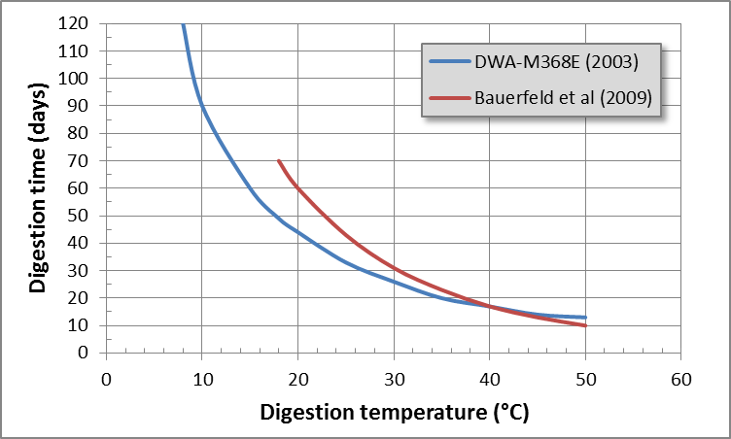
Digester retention time | 15 | days | (i) mesophilic digester (30-38°C): >15 d (large WWTPs), >20 d (medium, small WWTPs). (ii) ambient temperature: see figure
Required digester volume | 1,659 | m³
▪ m3/d feeding
Average feeding of PS | 69 | m³/d
Average feeding of WAS | 42 | m³/d
Average feeding of organic feedstock | 0 | m³/d
Total average feeding | 111 | m³/d
▪ DS feeding
Average feeding of PS | 2,400 | kgDS/d
Average feeding of WAS | 2,520 | kgDS/d
Average feeding of organic feedstock | 0 | kgDS/d
Total average feeding | 4,920 | kgDS/d
▪ VS feeding
Average feeding of PS | 1,800 | kgVS/d
Average feeding of WAS | 1,764 | kgVS/d
Average feeding of organic feedstock | 0 | kgVS/d
Total average feeding | 3,564 | kgVS/d
▪ VS destruction (%)
Average VS destruction of PS | 60 | % of VS | Typical: 55-60%
Average VS destruction of WAS | 40 | % of VS | Typical: 30-40%
Average VS destruction of organic feedstock | 85 | % of VS | Select appropriate value from drop-down menu, or utilize data from other sources
▪ VS destruction (kgVS)
Average VS destruction of PS | 1,080 | kgVSdestroyed/d
Average VS destruction of WAS | 706 | kgVSdestroyed/d
Average VS destruction of organic feedstock | 0 | kgVSdestroyed/d
Total average VS destruction | 1,786 | kgVSdestroyed/d
SLUDGE FOR DISPOSAL / REUSE
DS after sludge dewatering | 23 | %DS | Typical: 23 (18-35)
Total average DS production | 3,134 | kgDS/d
Total specific DS production | 39 | gDS/PE60/d
 | 33 | gDS/cap/d
Total average dewatered sludge production | 13.6 | m³/d
 | 4,974 | m³/year
BIO GAS PRODUCTION
Biogas holder volume | 20 | % of daily gas production | Typical: 20 (10-30)% for large-small WWTPs
Required biogas holder volume | 311 | m³
▪ Biogas yield
Biogas yield from PS | 950 | L/kgVSdestroyed | Typical: 950 (900-1000)
Biogas yield from WAS | 750 | L/kgVSdestroyed | Typical: 750 (700-800)
Biogas yield from organic feedstock | 1,000 | L/kgVSdestroyed | Select appropriate value from drop-down menu, or utilize data from other sources
▪ Biogas production
Biogas production from PS | 1,026 | m³/d
Biogas production from WAS | 529 | m³/d
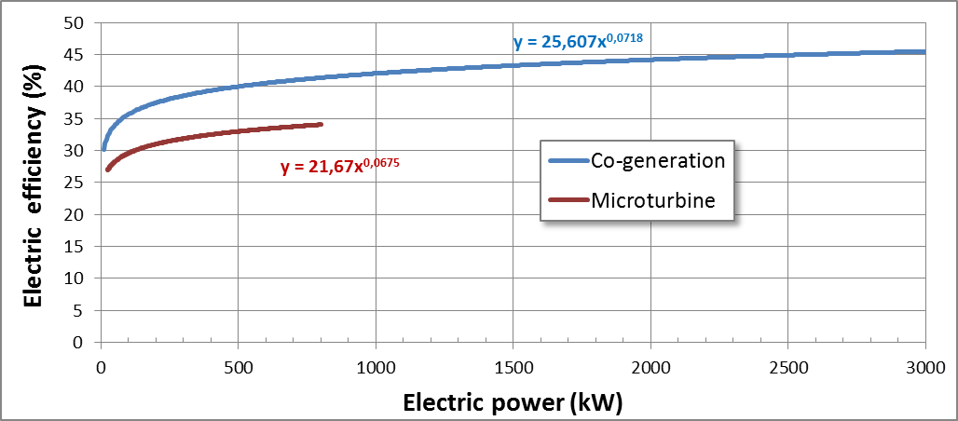
Biogas production from organic feedstock | 0 | m³/d
Biogas production from ultrasound treatment | 0 | m³/d
Total biogas production | 1,555 | m³/d
 | 567,648 | m³/year
Total specific biogas production | 19 | L/PE60/d
 | 16 | L/cap/d
▪ Methane content of biogas
Methane in biogas from PS+WAS | 65 | % CH4 | Typical: 65 (60-70%)
Methane in biogas from organic feedstock | 60 | % CH4 | Select appropriate value from drop-down menu, or utilize data from other sources
Methane in total biogas production | 65.0 | % CH4
ENERGY FROM BIOGAS
Calorific value of biogas | 6.5 | kWh/m3
▪ Electricity generation
CHP: Electric energy generation efficiency | 30 | % | Typical: co-generation: 30-40%, microturbine: 28-33%, or see figure
Electricity generation from biogas | 3,033 | kWh/d
 | 13.8 | kWh/PE60/year
 | 1,106,914 | kWh/year
Electricity consumption of CAS-WWTP | 35 | kWh/PE60/year | Typical: 20-50 or see table
 | 7,671 | kWh/d
 | 2,800,000 | kWh/year
Electricity coverage of WWTP from biogas | 40% | % of consumption
▪ Thermal energy generation
CHP: Thermal energy generation efficiency | 50 | % | Typical: 50 (50-55)%
Thermal energy generation | 5,054 | kWh/d
 | 1,844,856 | kWh/year
GREENHOUASE GAS (GHG) EMISSIONS REDUCTION
Local GHG emissions for electricity generation | 565 | g CO2/kWh
Production of electricity from renewable biogas | 1,106,914 | kWh/year
GHG emission reduction through electricity from biogas | -625 | tons CO2e/year | This is the (saved) fossil CO2e emission that is avoided through renewable biogas utilization for power generation.
Elimination of existing GHG emissions from digester | 0 | tons CO2e/year | The biogas in question can only be considered if it was emitted already before this project; if the biogas is generated and utilized by the project, it cannot be considered an emission reduction.
Total GHG emission reduction | -625 | tons CO2e/year
OPEX SAVINGS
Electricity tariff | 0.15 | US$/kWh
Reduction of electricity cost | -455 | US$/d | (Saving equals electricity production from biogas)
 | -166,037 | US$/year
Reduction of aeration cost in aeration tank | -1,381 | kWh/d | (The value, which is calculated here is based upon a comparison with Extended Aeration without PST. The following assumptions are made: (i) aeration requires 60% of total WWTP electricity consumption, (ii) introduction of PST reduces aeration requirement according to its BOD removal efficiency.)
 | -504,000 | kWh/year
 | -75,600 | US$/year
Sludge disposal unit cost | 10.00 | US$/m3
Reduction of sludge disposal cost | -7.8 | m³/d
 | -2,834 | m³/year
 | -28,337 | US$/year
Additional labor hour cost | 10,000 | US$/personnel/year
 | 15,000 | US$/year | (The value, which is calculated here is based upon the following assumptions: (i) a modern Western WWTP requires additional 0.5 USD/PE60/y for running the digestion system, (ii) the WWTP of this project will require 50% more personnel than the Western plant due to not-so-perfect efficiencies, (iii) TOTAL operator cost at a Western WWTP is assumed as 40,000 US$/year)
Additional maintenance cost | 37,353 | US$/year | (The value, which is calculated here is based upon the following assumptions: (i) Additional maintenance cost equals 1%/year of European CAPEX requirement for a mesophilic sludge digestion system, (ii) European CAPEX requirement for digestion system equals 81098 x PE60 (-0.684), (iii) EUR/US$ = 1.3)
Total OPEX saving | -217,620 | US$/year
INSTALLATION REQUIREMENTS
Primary Sedimentation Tank | 1,250 | m³
Pre-treatment of organic waste | Check specific requirements! | ---
Ultrasound sludge disintegration installations | NO | ---
Reduction of Aeration Tank volume | -30% | %
Digester volume | 1,659 | m³
Biogas holder | 311 | m³
CHP - total electric power | 152 | kW | Assumption: avg. operation time = 20 h/d
 | 76 | kW / unit | Based on 2 units
Biogas cleaning | Check specific requirements! | ---
Biogas pipe system, flare, etc | Check specific requirements! | ---

TRICKLING FILTER + SLUDGE DIGESTER | Value | Unit | Comment
WASTEWATER TREATMENT
...
COVERED ANAEROBIC POND | Value | Unit | Comment
 | 13 | L/cap/d
▪ Methane content of biogas
Methane in biogas from AP | 70 | % CH4 | Typical: 70 (60-80)%
ENERGY FROM BIOGAS
Calorific value of biogas | 7.0 | kWh/m3
▪ Electricity
CHP: Electric energy generation efficiency | 30 | % | Typical: co-generation: 30-40%, microturbine: 28-33%, or see figure above for CAS + Digestion
Electricity generation from biogas | 2,592 | kWh/d
 | 11.8 | kWh/PE60/year
 | 946,080 | kWh/year
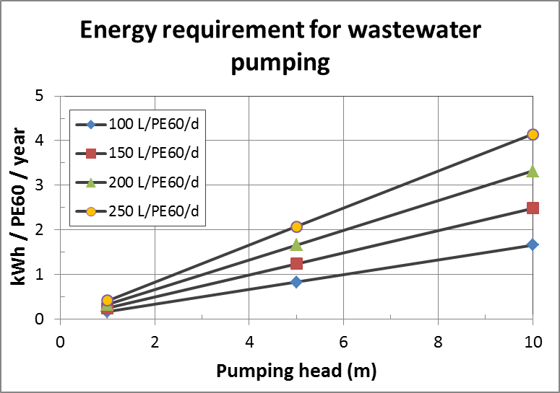
Electricity consumption of AP-WWTP | 3 | kWh/PE60/year | Typical: 1-3, mainly dependant on pumping requirements (see figure)
 | 667 | kWh/d
 | 243,333 | kWh/year
Electricity coverage of WWTP from biogas | 389% | % of consumption
▪ Thermal energy
CHP: Thermal energy generation efficiency | 50 | % | Typical: 50 (50-55)%
Thermal energy generation | 4,320 | kWh/d
 | 1,576,800 | kWh/year
GREENHOUASE GAS (GHG) EMISSIONS REDUCTION
Local GHG emissions for electricity generation | 565 | g CO2/kWh
Production of electricity from renewable biogas | 946,080 | kWh/year
GHG emission reduction through electricity from biogas | -535 | tons CO2e/year | This is the (saved) fossil CO2e emission that is avoided through renewable biogas utilization for power generation.
Biogas emission prior to this WWTP project | 0 | m³/year
Methane emission prior to this WWTP project | 0 | m³/year
GHG factor of methane | 21.0 | --- | This factor indicates how much stronger a GHG is methane than CO2
Specific weight of methane | 0.72 | kg/m3 methane
Elimination of existing GHG emissions from Anaerobic Ponds | 0 | tons CO2e/year | The biogas in question can only be considered if it was emitted already before this project; if the biogas is generated and utilized by the project, it cannot be considered an emission reduction.
Total GHG emission reduction | -535 | tons CO2e/year
OPEX SAVINGS
Electricity tariff | 0.15 | US$/kWh
Reduction of electricity cost | -389 | US$/d | (Saving equals electricity production from biogas)
 | -141,912 | US$/year
Additional O&M cost for CHP | 20,049 | US$/year | (The value, which is calculated here is based upon additional maintenance cost for CHP per kWh produced = 12.321 x kWelectr(-0.422)). Dependant on size of CHP this implicates OPEX of 0.5-4.0 Cent/kWhelectr
Additional O&M cost for covers | 4,800 | US$/year | (The value, which is calculated here is based upon the following assumptions: (i) cover area is derived from retention time in AP = 2d, water depth = 5m, (ii) unit cover cost = 15 US$/m2, (iii) O&M cost = 2% of CAPEX)
Total OPEX saving | -117,063 | US$/year
INSTALLATION REQUIREMENTS
Cover on AP | Check specific design of APs! | m2
...

