Cover
International Coal Mine Methane Project List
Updated 07/02/2024
The Coal Mine Methane (CMM) Project List is the most comprehensive resource for tracking methane mitigation projects at coal mines worldwide. The list was compiled by U.S. EPA in support of the Global Methane Initiative (GMI) with input from GMI's Coal Mines Subcommittee and the Project Network members. The information was collected for operational and former/planned projects. While not exhaustive, this resource offers details, where available, on project name, location, operating stating, start year, end year, description, end use, emission reductions, mine name, ownership, and similar information. Emissions reductions are provided, when confirmed by a public source or an expert within the last 5 years. The CMM Project List can help identify successful case studies of methane mitigation projects in different countries and demonstrate what activities can be done to reduce emissions in this sector.
If you notice an error or would like to update status of any projects, please reach out to the Global Methane Initiative.
Contact: secretariat@globalmethane.org
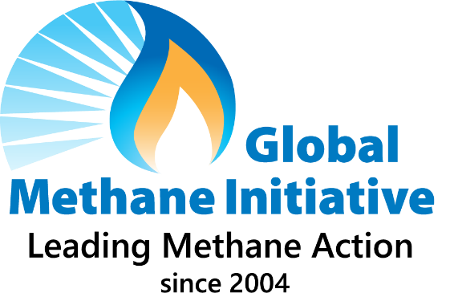 The development of this database has been sponsored by the U.S. Environmental Protection Agency (EPA) with support and input from the GMI's Coal Mines Subcommittee and the Project Network members. While reasonable effort has been made to ensure the accuracy, reliability, and completeness of the information presented herein, U.S. EPA does not bear responsibility for accuracy of this information. Feedback and suggestions with more updated information are welcome. Projects and organizations mentioned in this list are to share knowledge; their inclusion and does not constitute an endorsement by GMI.

